Stations
ID | Name | Lat | Lng | Station ID and Name | City | Provider | Reference 1 | Ref 2
124 | R K Puram | 28.674045 | 77.131023 | 124 - R K Puram | Delhi | DPCC (Delhi Pollution Control Committee) | https://explore.openaq.org/locations/17 | https://ijmr.org.in/geographic-information-system-based-mapping-of-air-pollution-emergency-room-visits-of-patients-for-acute-respiratory-symptoms-in-delhi-india-march-2018-february-2019/
1421 | Dr. Karni Singh Shooting Range | 28.498571 | 77.26484 | 1421 - Dr. Karni Singh Shooting Range | Delhi | DPCC | https://explore.openaq.org/locations/6934 | https://ijmr.org.in/geographic-information-system-based-mapping-of-air-pollution-emergency-room-visits-of-patients-for-acute-respiratory-symptoms-in-delhi-india-march-2018-february-2019/
1426 | Narela | 28.822836 | 77.101981 | 1426 - Narela | Delhi | DPCC | https://explore.openaq.org/locations/10485
5024 | Alipur | 28.815329 | 77.15301 | 5024 - Alipur | Delhi | DPCC | https://explore.openaq.org/locations/6932
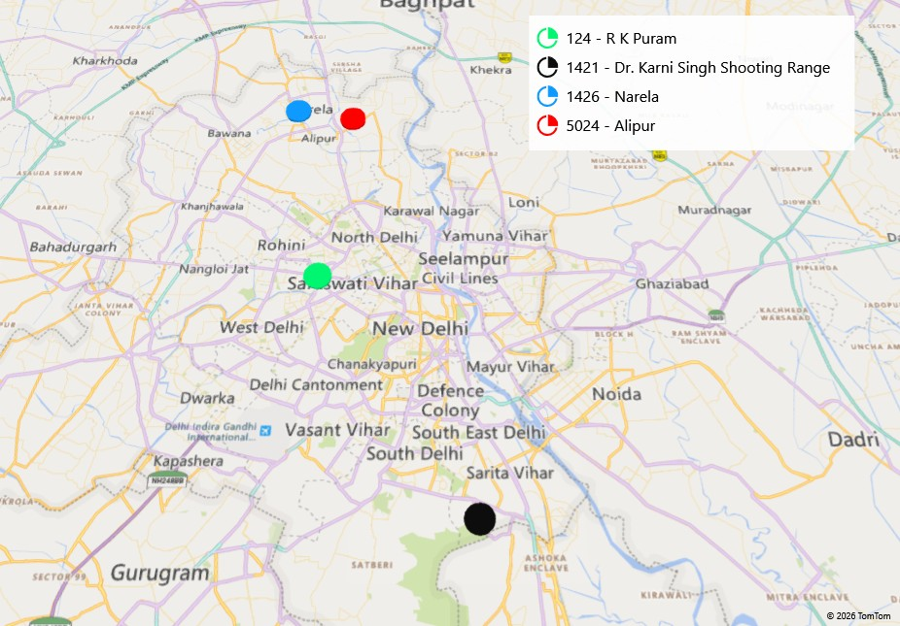

3D Maps Tours This workbook has 3D Maps tours available. Open 3D Maps to edit or play the tours.

